post delivery
Distribution of history of post delivery details
 | 0 | 0 | 0
 | 0 | 0 | 0
0 | 19 | 0 | 0
≤18 months | 35 | 81 | 13
>18 months | 0 | 25 | 10
0 | 1 | 0 | 0
≤3 months | 46 | 28 | 6
>3 months | 7 | 78 | 17
No | 48 | 48 | 3
Yes | 6 | 58 | 20
NA | 0 | 84 | 14
≤3 months | 2 | 21 | 0
>3 months | 52 | 16 | 9
No | 19 | 25 | 5
Yes | 35 | 81 | 18
INTER-PREGNANCY INTERVAL (MONTHS) | (Multiple Items) | #REF! |  |  |  | Inter-pregnancy interval (months) |  |  |  |  |  |  |  |  | Inter-pregnancy interval (months)
 |  | 0 |  | Parameters |  | <24months (n=54) |  | 24 – 60 months (n=106) |  | >60 months (n=23) |  | P-value | Parameters |  | ≤36 months (n=89) | 36 – 60 months (n=71) | >60 months (n=23)
Row Labels | Count of INTER-PREGNANCY INTERVAL (MONTHS) | 0 |  |  |  | n | % | n | % | n | % |  |  |  | n | n | n
0 | 19 | 0 |  | Breast feeding duration | 0 | 19 | 35.2% | 0 | 0.0% | 0 | 0.0% | 0.001*** | Breast feeding duration | 0 | 19 | 0 | 0
4 | 1 |  |  |  | ≤18 months | 35 | 64.8% | 81 | 76.4% | 13 | 56.5% |  |  | ≤18 months | 35 | 81 | 13
6 | 1 |  |  |  | >18 months | 0 | 0.0% | 25 | 23.6% | 10 | 43.5% |  |  | >18 months | 0 | 25 | 10
7 | 2 |  |  | Amenorrhea | 0 | 1 | 1.9% | 0 | 0.0% | 0 | 0.0% | 0.001*** | Amenorrhea | 0 | 1 | 0 | 0
8 | 2 |  |  |  | ≤3 months | 46 | 85.2% | 28 | 26.4% | 6 | 26.1% |  |  | ≤3 months | 46 | 28 | 6
9 | 2 |  |  |  | >3 months | 7 | 13.0% | 78 | 73.6% | 17 | 73.9% |  |  | >3 months | 7 | 78 | 17
10 | 18 |  |  | Contraceptive usage | No | 48 | 88.9% | 48 | 45.3% | 3 | 13.0% | 0.001*** | Contraceptive usage | No | 48 | 48 | 3
11 | 2 |  |  |  | Yes | 6 | 11.1% | 58 | 54.7% | 20 | 87.0% |  |  | Yes | 6 | 58 | 20
12 | 3 |  |  | Maternity leave | NA | 0 | 0.0% | 84 | 79.2% | 14 | 60.9% | 0.002** | Maternity leave | NA | 0 | 84 | 14
13 | 1 |  |  |  | ≤3 months | 2 | 3.7% | 21 | 19.8% | 0 | 0.0% |  |  | ≤3 months | 2 | 21 | 0
14 | 2 |  |  |  | >3 months | 52 | 96.3% | 16 | 15.1% | 9 | 39.1% |  |  | >3 months | 52 | 16 | 9
18 | 1 |  |  | Weight gain after delivery | No | 19 | 35.2% | 25 | 23.6% | 5 | 21.7% | 0.225NS | Weight gain after delivery | No | 19 | 25 | 5
Grand Total | 54 |  |  |  | Yes | 35 | 64.8% | 81 | 76.4% | 18 | 78.3% |  |  | Yes | 35 | 81 | 18

INTER-PREGNANCY INTERVAL (MONTHS) | (Multiple Items)

Row Labels | Count of INTER-PREGNANCY INTERVAL (MONTHS)
5 | 1
6 | 1
8 | 4
9 | 3
10 | 8
12 | 13
13 | 1
14 | 11
15 | 7
16 | 13 | 81
17 | 2 | 25
18 | 17
19 | 3
20 | 14
21 | 2
22 | 2
24 | 4
Grand Total | 106

INTER-PREGNANCY INTERVAL (MONTHS) | (Multiple Items)

Row Labels | Count of INTER-PREGNANCY INTERVAL (MONTHS)
5 | 1
10 | 1
12 | 1
14 | 2 | 13
15 | 1 | 10
16 | 2
18 | 5
19 | 1
20 | 2
22 | 3
24 | 4
Grand Total | 23

INTER-PREGNANCY INTERVAL (MONTHS) | (Multiple Items) | #REF!
 |  | 0
Row Labels | Count of INTER-PREGNANCY INTERVAL (MONTHS) | 0
0 | 1 | 0 | 46
1 | 16 |  | 7
2 | 10
3 | 20
4 | 6
5 | 1
Grand Total | 54

INTER-PREGNANCY INTERVAL (MONTHS) | (Multiple Items)

Row Labels | Count of INTER-PREGNANCY INTERVAL (MONTHS)
2 | 2
3 | 26
4 | 56
5 | 21
6 | 1
Grand Total | 106
 | 28
 | 78

 |  | 318
 |  | 54
INTER-PREGNANCY INTERVAL (MONTHS) | (Multiple Items) | #REF!
 |  | 0
Row Labels | Count of INTER-PREGNANCY INTERVAL (MONTHS) | 0
CONDOM | 4 | 0
NO | 48
OCP | 2
Grand Total | 54

INTER-PREGNANCY INTERVAL (MONTHS) | (Multiple Items)

Row Labels | Count of INTER-PREGNANCY INTERVAL (MONTHS)
CONDOM | 16
IMPLANT | 8
IUD | 20
NO | 48
OCP | 14
Grand Total | 106

INTER-PREGNANCY INTERVAL (MONTHS) | (Multiple Items) | #REF!
 |  | 0
Row Labels | Count of INTER-PREGNANCY INTERVAL (MONTHS) | 0
2 | 1 | 0
3 | 1
4 | 1
6 | 1
NA | 50
Grand Total | 54
INTER-PREGNANCY INTERVAL (MONTHS) | (Multiple Items)

Row Labels | Count of INTER-PREGNANCY INTERVAL (MONTHS)
3 | 1
4 | 3
5 | 1
6 | 17
NA | 84
Grand Total | 106

INTER-PREGNANCY INTERVAL (MONTHS) | (Multiple Items) | #REF!
 |  | 0
Row Labels | Count of INTER-PREGNANCY INTERVAL (MONTHS) | 0
NO | 19 | 0
YES | 35
Grand Total | 54

INTER-PREGNANCY INTERVAL (MONTHS) | (Multiple Items)

INTER-PREGNANCY INTERVAL (MONTHS) | (Multiple Items)

Row Labels | Count of INTER-PREGNANCY INTERVAL (MONTHS)
NO | 25
YES | 81
Grand Total | 106

family
Distribution of family details
 |  |  |  | Inter-pregnancy interval (months) |  |  |  |  |  |  |  |  | Inter-pregnancy interval (months)
INTER-PREGNANCY INTERVAL (MONTHS) | (Multiple Items) | Parameters |  | <24 months (n=54) |  | 34 – 60 months (n=106) |  | >60 months (n=23) |  | P-value | Parameters |  | <24 months (n=54) | 34 – 60 months (n=106) | >60 months (n=23)
 |  |  |  | n | % | n | % | n | % |  |  |  | n | n | n
Row Labels | Count of INTER-PREGNANCY INTERVAL (MONTHS) | Type of family | Joint | 45 | 83.3% | 61 | 57.5% | 9 | 39.1% | 0.001*** | Type of family | Joint | 45 | 61 | 9
J | 45 |  | Nuclear | 9 | 16.7% | 45 | 42.5% | 14 | 60.9% |  |  | Nuclear | 9 | 45 | 14
N | 9 | Support for childcare from the family | No | 15 | 27.8% | 35 | 33.0% | 12 | 52.2% | 0.090NS | Support for childcare from the family | No | 15 | 35 | 12
Grand Total | 54 |  | Yes | 39 | 72.2% | 71 | 67.0% | 11 | 47.8% |  |  | Yes | 39 | 71 | 11
 |  | Current pregnancy status | Planned | 24 | 44.4% | 78 | 73.6% | 23 | 100.0% | 0.001*** | Current pregnancy status | Planned | 24 | 78 | 23
 |  |  | Unplanned | 30 | 55.6% | 28 | 26.4% | 0 | 0.0% |  |  | Unplanned | 30 | 28 | 0
INTER-PREGNANCY INTERVAL (MONTHS) | (Multiple Items) | Current pregnancy choice | NA | 30 | 55.6% | 29 | 27.4% | 1 | 4.3% | 0.001*** | Current pregnancy choice | NA | 30 | 29 | 1
 |  |  | Patient | 11 | 20.4% | 22 | 20.8% | 5 | 21.7% |  |  | Patient | 11 | 22 | 5
Row Labels | Count of INTER-PREGNANCY INTERVAL (MONTHS) |  | Husband | 2 | 3.7% | 12 | 11.3% | 4 | 17.4% |  |  | Husband | 2 | 12 | 4
J | 61 |  | Both | 11 | 20.4% | 43 | 40.6% | 13 | 56.5% |  |  | Both | 11 | 43 | 13
N | 45 | Family pressure to have second child soon | No | 26 | 48.1% | 82 | 77.4% | 22 | 95.7% | 0.001*** | Family pressure to have second child soon | No | 26 | 82 | 22
Grand Total | 106 |  | Yes | 28 | 51.9% | 24 | 22.6% | 1 | 4.3% |  |  | Yes | 28 | 24 | 1
 |  | Pregnancy as a result of failed contraception | No | 53 | 98.1% | 103 | 97.2% | 23 | 100.0% | 0.307NS | Pregnancy as a result of failed contraception | No | 53 | 103 | 23
 |  |  | Yes | 1 | 1.9% | 3 | 2.8% | 0 | 0.0% |  |  | Yes | 1 | 3 | 0
 |  | Desired family size | ≤2 | 25 | 46.3% | 73 | 68.9% | 17 | 73.9% | 0.010** | Desired family size | ≤2 | 25 | 73 | 17
INTER-PREGNANCY INTERVAL (MONTHS) | (Multiple Items) |  | 3 – 4 | 29 | 53.7% | 33 | 31.1% | 6 | 26.1% |  |  | 3 – 4 | 29 | 33 | 6
 |  | P-values by Chi-square test. P-value<0.05 is considered to be statistically significant. **P-value<0.01, ***P-value<0.001, NS – Statistically non-significant.
Row Labels | Count of INTER-PREGNANCY INTERVAL (MONTHS)
NO | 15
YES | 39
Grand Total | 54

INTER-PREGNANCY INTERVAL (MONTHS) | (Multiple Items)

Row Labels | Count of INTER-PREGNANCY INTERVAL (MONTHS)
NO | 35
YES | 71
Grand Total | 106

INTER-PREGNANCY INTERVAL (MONTHS) | (Multiple Items)

Row Labels | Count of INTER-PREGNANCY INTERVAL (MONTHS)
PL | 24
UNP | 30
Grand Total | 54

INTER-PREGNANCY INTERVAL (MONTHS) | (Multiple Items)

Row Labels | Count of INTER-PREGNANCY INTERVAL (MONTHS)
PL | 78
UNP | 28
Grand Total | 106

INTER-PREGNANCY INTERVAL (MONTHS) | (Multiple Items)

Row Labels | Count of INTER-PREGNANCY INTERVAL (MONTHS)
Pt. | 11
NA | 30
H | 2
B | 11
Grand Total | 54

INTER-PREGNANCY INTERVAL (MONTHS) | (Multiple Items)

Row Labels | Count of INTER-PREGNANCY INTERVAL (MONTHS)
Pt. | 22
NA | 29
H | 12
B | 43
Grand Total | 106

INTER-PREGNANCY INTERVAL (MONTHS) | (Multiple Items)

Row Labels | Count of INTER-PREGNANCY INTERVAL (MONTHS)
NO | 26
YES | 28
Grand Total | 54

INTER-PREGNANCY INTERVAL (MONTHS) | (Multiple Items)

Row Labels | Count of INTER-PREGNANCY INTERVAL (MONTHS)
NO | 82
YES | 24
Grand Total | 106

INTER-PREGNANCY INTERVAL (MONTHS) | (Multiple Items)

Row Labels | Count of INTER-PREGNANCY INTERVAL (MONTHS)
...

foetal outcome(current)
...
Distribution of history of current pregnancy
...
 |  | Inter-pregnancy interval (months)
Parameters |  | <24 months (n=54) | 24– 60 months (n=106) | >60 months (n=23)
 |  | n | n | n
Mode of delivery | LSCS | 40 | 66 | 9
 | VD | 13 | 40 | 10
Complications | LBW | 3 | 10 | 4
 | NA | 35 | 58 | 11
 | PTB | 5 | 21 | 3
 | SGA | 9 | 14 | 3
 | STILL BIRTH | 1 | 1 | 2
 | OTHER | 0 | 2 | 0
Baby’s gender | Male | 19 | 60 | 9
 | Female | 34 | 46 | 14
P-values by Chi-square test. P-value<0.05 is considered to be statistically significant. **P-value<0.01, ***P-value<0.001, NS – Statistically non-significant.
...

Sheet13
Distribution of history of current pregnancy
 | <24 months (n=54) | 24– 60 months (n=106) | >60 months (n=23)
LSCS | 40 | 66 | 9
VD | 13 | 40 | 10
LBW | 3 | 10 | 4
NA | 35 | 58 | 11
PTB | 5 | 21 | 3
SGA | 9 | 14 | 3
STILL BIRTH | 1 | 1 | 2
OTHER | 0 | 2 | 0
Male | 19 | 60 | 9
Female | 34 | 46 | 14
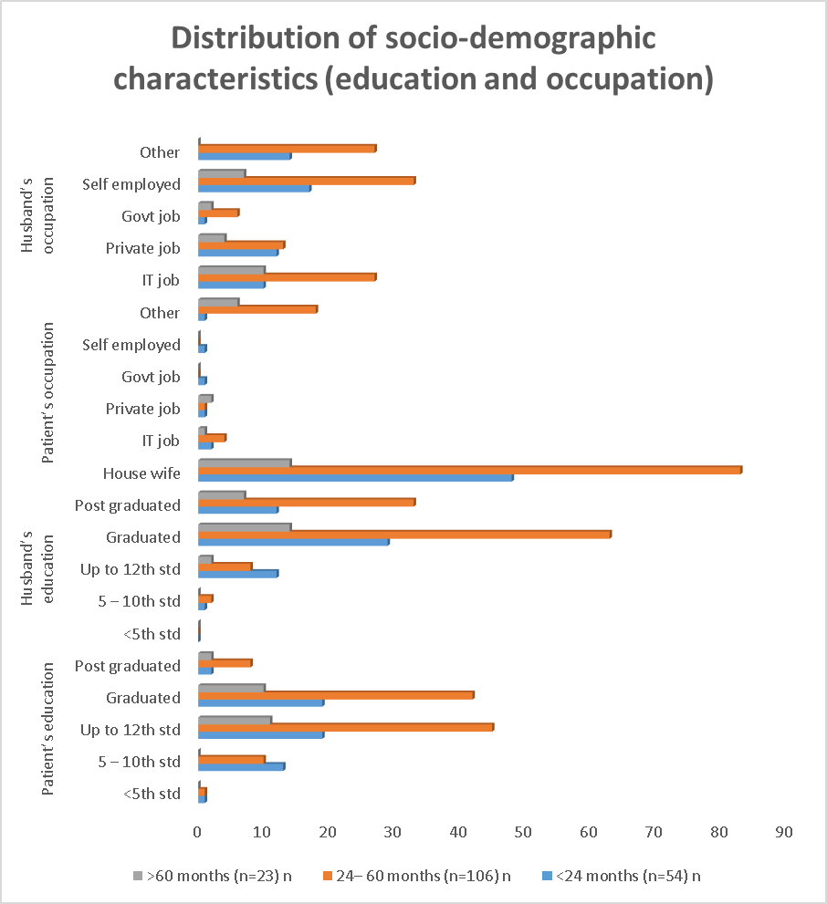

Distribution of co-morbidity
 | Nil | ANHYDRAMNIOS | GDM | HYPOTHY | IUGR | MOD.ANEMIA | OLIGO | PIH | PP | PRE-ECL | RH INC | Other
<24 months (n=54) | 38.9 | 1.9 | 9.3 | 5.6 | 1.9 | 1.9 | 5.6 | 7.4 | 1.9 | 1.9 | 9.3 | 14.8
24– 60 months (n=106) | 45.2 | 0 | 10.4 | 2.8 | 0.9 | 0 | 0 | 13.2 | 0.9 | 3.8 | 3.8 | 18.9
>60 months (n=23) | 30.4 | 0 | 26.1 | 4.3 | 0 | 0 | 0 | 3 | 0 | 0 | 0 | 26.1

Distribution of history of previous pregnancy
 | ≤36 months (n=89) | 36 – 60 months (n=71) | >60 months (n=23)
Normal | 28 | 43 | 9
Emergency LSCS | 18 | 40 | 10
Elective LSCS | 8 | 23 | 4
ABRUPTION | 1 | 2 | 9
BREECH | 1 | 14 | 2
FETAL DISTRESS | 7 | 10 | 2
GDM | 7 | 4 | 4
IUFD | 9 | 0 | 2
NONE | 16 | 39 | 1
PIH | 4 | 12 | 2
PREECLEMPSIA | 2 | 8 | 0
IUGR | 0 | 2 | 1
Other | 5 | 15 | 0
Male | 21 | 43 | 16
Female | 33 | 63 | 7
NA | 0 | 0 | 0
<36 months | 26 | 0 | 0
>36 months | 28 | 106 | 23
Absent | 45 | 90 | 20
Present | 9 | 16 | 3

education and aqupation
...
Distribution of socio-demographic characteristics (education and occupation)

 |  | Inter-pregnancy interval (months)
Parameters |  | <24 months (n=54) | 24– 60 months (n=106) | >60 months (n=23)
 |  | n | n | n
Patient’s education | <5th std | 1 | 1 | 0
 | 5 – 10th std | 13 | 10 | 0
 | Up to 12th std | 19 | 45 | 11
 | Graduated | 19 | 42 | 10
 | Post graduated | 2 | 8 | 2
Husband’s education | <5th std | 0 | 0 | 0
 | 5 – 10th std | 1 | 2 | 0
 | Up to 12th std | 12 | 8 | 2
 | Graduated | 29 | 63 | 14
 | Post graduated | 12 | 33 | 7
Patient’s occupation | House wife | 48 | 83 | 14
 | IT job | 2 | 4 | 1
 | Private job | 1 | 1 | 2
 | Govt job | 1 | 0 | 0
 | Self employed | 1 | 0 | 0
 | Other | 1 | 18 | 6
Husband’s occupation | IT job | 10 | 27 | 10
 | Private job | 12 | 13 | 4
 | Govt job | 1 | 6 | 2
 | Self employed | 17 | 33 | 7
 | Other | 14 | 27 | 0
...

FOETAL OUTCOME
Distribution of history of previous pregnancy
 |  | Inter-pregnancy interval (months)
Parameters |  | ≤36 months (n=89) | 36 – 60 months (n=71) | >60 months (n=23)
 |  | n | n | n
Mode of delivery | Normal | 28 | 43 | 9
 | Emergency LSCS | 18 | 40 | 10
 | Elective LSCS | 8 | 23 | 4
Complications | ABRUPTION | 1 | 2 | 9
 | BREECH | 1 | 14 | 2
 | FETAL DISTRESS | 7 | 10 | 2
 | GDM | 7 | 4 | 4
 | IUFD | 9 | 0 | 2
 | NONE | 16 | 39 | 1
 | PIH | 4 | 12 | 2
 | PREECLEMPSIA | 2 | 8 | 0
 | IUGR | 0 | 2 | 1
 | Other | 5 | 15 | 0
Baby’s gender | Male | 21 | 43 | 16
 | Female | 33 | 63 | 7
Child’s Age | NA | 0 | 0 | 0
 | <36 months | 26 | 0 | 0
 | >36 months | 28 | 106 | 23
Neonatal complications | Absent | 45 | 90 | 20
 | Present | 9 | 16 | 3
...
 |  |  |  |  | Inter-pregnancy interval (months)
 |  |  | Parameters |  | ≤36 months (n=89) |  | 36 – 60 months (n=71) |  | >60 months (n=23) |  | P-value
 |  |  |  |  | n | % | n | % | n | %
 |  |  | Mode of delivery | Normal | 28 | 0.51851851852 | 43 | 0.40566037736 | 9 | 0.39130434783 | 0.069NS
 |  |  |  | Emergency LSCS | 18 | 0.33333333333 | 40 | 0.37735849057 | 10 | 0.4347826087
 |  |  |  | Elective LSCS | 8 | 0.14814814815 | 23 | 0.21698113208 | 4 | 0.17391304348
 |  |  | Complications | ABRUPTION | 1 | 0.018518518519 | 2 | 0.018867924528 | 9 | 0.39130434783 | 0.331NS
...

co-morbitity
...
 |  | Inter-pregnancy interval (months) |  |  |  |  | Inter-pregnancy interval (months)
 | MOD.ANEMIA | 1 | 0 | 0 |  | MOD.ANEMIA | 1 | 1.9 | 0 | 0 | 0 | 0
 | OLIGO | 3 | 0 | 0 |  | OLIGO | 3 | 5.6 | 0 | 0 | 0 | 0
 | PIH | 4 | 14 | 3 |  | PIH | 4 | 7.4 | 14 | 13.2 | 3 | 3
 | PP | 1 | 1 | 0 |  | PP | 1 | 1.9 | 1 | 0.9 | 0 | 0
 | PRE-ECL | 1 | 4 | 0 |  | PRE-ECL | 1 | 1.9 | 4 | 3.8 | 0 | 0
 | RH INC | 5 | 4 | 0 |  | RH INC | 5 | 9.3 | 4 | 3.8 | 0 | 0
 | Other | 8 | 20 | 6 |  | Other | 8 | 14.8 | 20 | 18.9 | 6 | 26.1
 | Total | 54 | 106 | 23 |  | Total | 54 | 100 | 106 | 100 | 23 | 100
P-values by Chi-square test. P-value<0.05 is considered to be statistically significant. NS – Statistically non-significant |  |  |  |  | P-values by Chi-square test. P-value<0.05 is considered to be statistically significant. NS – Statistically non-significant

Distribution of co-morbidity
 |  |  | 20
 |  | Inter-pregnancy interval (months)
 |  | <24 months (n=54) | 24– 60 months (n=106) | >60 months (n=23)
 |  | % | % | %
Co-morbidity | Nil | 38.9 | 45.2 | 30.4
 | ANHYDRAMNIOS | 1.9 | 0 | 0
 | GDM | 9.3 | 10.4 | 26.1
 | HYPOTHY | 5.6 | 2.8 | 4.3
 | IUGR | 1.9 | 0.9 | 0
 | MOD.ANEMIA | 1.9 | 0 | 0
 | OLIGO | 5.6 | 0 | 0
 | PIH | 7.4 | 13.2 | 3
 | PP | 1.9 | 0.9 | 0
 | PRE-ECL | 1.9 | 3.8 | 0
 | RH INC | 9.3 | 3.8 | 0
 | Other | 14.8 | 18.9 | 26.1
 | Total | 100 | 100 | 100

obstratics
Distribution of obstetric history and history of infertility
 | Inter-pregnancy interval (months) | Inter-pregnancy interval (months) | Inter-pregnancy interval (months)
2 | 29 | 55 | 14
3 | 15 | 30 | 9
4 | 6 | 16 | 0
5 | 2 | 5 | 0
6 | 2 | 0 | 0
1 | 40 | 98 | 20
2 | 9 | 7 | 3
3 | 4 | 1 | 0
4 | 1 | 0 | 0
0 | 10 | 98 | 0
1 | 35 | 8 | 22
2 | 8 | 0 | 1
3 | 1 | 0 | 0
0 | 34 | 105 | 22
1 | 17 | 1 | 1
2 | 2 | 0 | 0
3 | 1 | 0 | 0
0 | 41 | 61 | 16
1 | 11 | 28 | 7
2 | 2 | 14 | 0
3 | 0 | 3 | 0
0 | 54 | 104 | 23
1 | 0 | 2 | 0
0 | 45 | 60 | 7
1 | 9 | 46 | 16
0 | 16 | 44 | 16
1 | 32 | 57 | 6
2 | 6 | 5 | 1
Yes | 0 | 0 | 3
No | 54 | 106 | 20
...

